GAAP
Strategic Financial Analysis & Modeling |  |  |  | © All rights reserved, 2019, Marianne Wolk & Richard Horwitz
Section: Financial Statement Analysis (FSA)
Workbook 3: Intro to Financial Statement Analysis
Sheet: GAAP

SHEET ROADMAP
The Tutorial includes the material up to Row 221 and will not contribute to your grade.
The Homework starting in Row 223 is Required.

Accounting Standards
Accounting standards assure confidence in financial data utilized by investors, creditors and managements.
These standards facilitate comparability over time and across companies and industries making financial analysis possible.

Accounting standards are driven by significant differences in the requirements for different types of businesses.
These include:
- business size: large, publicly traded companies versus small businesses such as a store
- industry: manufacturing, extraction, wholesaling, retailing, services, real estate, or combination therefore
- business scope: global versus local
- legal structure: sole proprietary, partnership, company, holding company
- location: which country's accounting rules are operable

Accounting standards are evolving in recognition of growth in eCommerce and other innovative Internet-based services in the 'digital economy'.
These include:
- treatment of direct selling expenses (commissions)
- treatment of freight out / shipping
- treatment of Goodwill
- non GAAP reporting

GAAP is the U.S. Accounting Standard
Generally Accepted Accounting Principles (GAAP) are a set of accounting rules, standards and financial reporting practices utilized in the U.S.
GAAP describes a set of commonly accepted industry norms and more formal rules by the Financial Accounting Standards Board (FASB),
a governmental authority, establishing procedures and reporting practices.
Regulators such as the Securities and Exchange Commission (SEC) and the Public Company Accounting Oversight Board and trade groups, such as the
American Institute of Certified Public Accountants (AICPA), all play a part in influencing accounting standards.
GAAP impacts revenue and expense recognition, Balance Sheet valuation and other key guidelines for financial reporting.
Financial analysts benefit by understanding basic accounting fundamentals, but are not expected to be experts and typically rely on certified public accountants (CPAs)
when deeper expertise is required.

Benefits of GAAP Standards
Standardized accounting has several benefits.
Financial reports are more credible and understandable thanks to uniform and objective accounting.
Result are more easily verified as adherence to GAAP is audited, thus minimizing the risk of misleading or fraudulent information.
Strict rules regarding format, definition and valuation enable more efficient and accurate valuation by creditors and investors, including comparisons among peers
and across time periods.
Standardization permits the capital markets to function and enables more efficient fundraising.

Who is Required to Follow GAAP?
If a U.S. company is publicly traded, and distributes its financial statements to the public, it is required to follow GAAP.
If a company's stock is publicly traded, financial statements must also adhere to rules established by the U.S. Securities and Exchange Commission (SEC).
The U.S. Securities and Exchange Commission (SEC) requires domestic companies with publicly traded securities (i.e., debt or equity) to follow U.S. GAAP accounting.
Publicly traded companies are also required by federal law to be audited by independent public accountants.
Most U.S. Companies, public and private, follow GAAP for reporting purposes.
There are more than twenty million small businesses in the U.S. and they do not have to comply with GAAP because they are not publicly traded.
Many private companies prefer to follow GAAP rules, particularly those with aspirations of going public down the road.
Others complain about the complications of GAAP and the time and financial costs of compliance (often requiring external accounting help).
GAAP requires:
- two sets of financial statements (refer to the 'INTRO Financial Data' Sheet regarding sets of multiple books)
- smaller businesses, such as C corporations, to follow standards for recognizing, classifying and disclosing tax positions and any tax "uncertainties"
- valuation of financial assets, which may mean paying for costly appraisals in order to mark-to-market 'fair value' assets (e.g., securities, real estate)
- companies to report on consolidated entities (noncontrolling interests) and individuals to report on their sole proprietorships

GAAP Principles
GAAP incorporates several fundamental precepts expected to be followed on a regular and consistent basis.
Economic Entity
Accounting principles keep business transactions from one entity separate from another.
Specific rules apply to account for minority or noncontrolling interests in third party companies.
Even if an individual owns a business, a single entity for legal purposes, the business is considered a distinct financial reporting unit from the individual.
Continuity / Going Concern
While valuing assets, it should be assumed the business will continue to operate.
Disclosure is required if a firm is deemed unlikely to exist and appears nearing the liquidation of its assets.
Monetary Unit
GAAP requires U.S. dollars as the currency for financial reporting and, for accounting purposes, ignores changes in purchasing power (i.e., inflation).
U.S. companies conducting a portion of their business in other countries have to convert the amounts to U.S. dollars using the prevalent exchange rate.
Periodicity
GAAP assumes the organization and its accountants can report business activities during a stated period of time, despite complexity.
Accounting entries should be distributed across the stated periods of time.
The accounting period must be clearly disclosed. Thus, it is typically provided in the heading of each financial statement.
Cost Principle
Under this principle, financial statements are based on historical costs, the 'book value' reported.
Cost is defined as the amount actually spent (cash or equivalents) when an item was initially obtained, regardless of when that was.
Historic cost is considered a more reliable and objective standard than market value, which is too easily manipulated.
Operating assets are not standardized and there is no market of equivalent units with comparable prices.
Assets are generally never adjusted upward in value even if their current market value exceeds historical cost (although improvements will raise their value).
This is consistent with the Conservativism described below.
In contrast, Assets are routinely valued downwardly to reflect bad debts (when assets are not recoverable) or 'impairment' when fixed assets
(PP&E and Intangible Assets) are deemed to have a market value below their historical cost.
The valuation of financial assets is not always based on historical cost.
Financial asset are non-physical assets whose value is derived from a contractual claim, such as bank deposits, bonds, and stocks.
Financial assets are standard instruments defined as fungible (mutually interchangeable).
Financial assets are usually more liquid than other tangible assets and are actively traded on financial markets.
Therefore, the valuation of financial assets can be 'transparent' through reliable 'price discovery' by observing frequent transactions of exactly
equivalent instruments, thus eliminating the requirement for valuation at historical cost.
Matching Principle
GAAP requires accrual-based accounting which utilizes the 'matching principle'.
The concept is to recognize related revenues and expenses in the same accounting period, regardless of when cash is exchanged.
Realization or Recognition Principle
This dictates revenue recognition practices under accrual-based accounting.
Revenues are recognized upon the delivery of products or services, regardless of when cash is exchanged.
Full Disclosure
Organizations disclose their accounting policies in the initial pages of their financial statements.
Policies are expected to be consistently applied throughout the accounting period and any changes from prior periods are explained.
Within this precept is the concept of accuracy and the disclosure of both positives and negatives of a company's financial situation.
Numerous footnotes are provided to most financial statements with these disclosures.
Materiality
Judgment is permitted across all of these fundamental guidelines, highlighting a preference for principles and norms over rules.
Immaterial costs may be expensed immediately and minute errors disregarded.
Prudence and Conservativism
In the event of a conflict, the choice producing the lowest net income or asset value is taken.
Interestingly, accountants use this principle to report anticipated losses, but potential gains are unreported.
Accountants emphasize fact-based financial data, unclouded by speculation.

GAAP Requires Accrual-Basis Accounting, Rather than Cash-Basis Accounting
Under Cash-Basis Accounting:
Revenues are recorded when goods or services are delivered to customers.
Expenses are recorded in the period in which they are actually paid.
Profits are calculated as the difference between cash receipts and cash payments.
In a business utilizing cash-basis accounting, Net Income is equal to the net cash generated by the business in an accounting period.
Under Accrual-Basis Accounting:
Accountants recognize revenues and expenses when they are deemed to occur (such as a transaction).
The concept behind accrual-basis accounting is that revenues should be matched with related expenses and recognized in the same accounting period.
In many business transactions, the cash component of the transaction is not completed immediately.
Expenses are incurred to generate a sale, but the cash payment for the goods sold may not be collected until a later accounting period.
An accrual occurs when revenues or expenses are recorded with the absence of the exchange of cash.
Accrual accounts are created on the Balance Sheet when revenues and expenses are recognized without cash inflows or outflows.
These accounts are eliminated when cash is received or paid.
The Cash Flow Statement reconciles the timing differences between accrual and cash accounting.
Accrual-Basis Accounting is used by everyone but the simplest of businesses and individuals.
GAAP requires the use of Accrual-basis Accounting; thus, all publicly traded companies required to conform to US GAAP standards utilize accrual-basis accounting.
From a practical standpoint, cash-basis accounting is really only feasible for the smaller service businesses or individuals that do not have inventories or fixed assets.
Examples include: painting, baby sitting, snow plowing, lawn mowing and cleaning services.
Just as the businesses utilizing accrual-basis accounting are more complex, so are their financial statements.
We will explore these concepts in greater detail when we review the Income Statement, Balance Sheet and Cash Flow Statement in Workbooks 4 and 5.

There is No Single Standard within GAAP's Nomenclature
Although there are GAAP accounting standards for the creation and measurement of these accounts, the actual names
a firm uses may vary.

 | EXHIBIT: THERE IS NO SINGLE STANDARD FOR THE ACCOUNT NAMES UTILIZED IN FINANCIAL STATEMENTS
 | Name Selected for this Course |  | Alternative Names
 | Revenues | Revenue
 |  | Sales
 |  | Turnover
 |  | Net Sales
 |  | Services (used in service industries)
 |  | Net Interest Income (used by financial institutions)
 | Cost of Revenues | Costs of Sales
 |  | Cost of Goods Sold (COGS)
 |  | Cost of Products Sold
 |  | Costs, Materials, and Production
 |  | Cost of Services Sold (used in service industries)
 | Capital Expenditures (CAPEX) | Acquisition of Property and Equipment
 |  | Capitalized Software Costs
 |  | Capitalized Investment in Technology
 | Net Income | Net Profit
 |  | Net Earnings
 |  | Earnings
 | Short-term Debt | Debt Payable Within One Year
 |  | Current Portion of Long-Term Debt
 |  | Notes Payable
 |  | Short-term Borrowings
 | Source: Marianne Wolk & Richard Horwitz

Non-GAAP Numbers
Though publicly traded U.S. companies are required to report financial data according to GAAP standards, they are also able to supplement these figures with any
alternative they deem necessary to describe their business by disclosing non-GAAP figures.
The discrepancy between GAAP and non-GAAP figures can be significant.
Some believe the non-GAAP figures may be a more meaningful representation of the underlying financial health of the business, while others believe non-GAAP figures
are misleading and enable management to overstate the health of the business.
Typical non-GAAP measures are EBITDA calculations excluding depreciation and amortization or 'pro forma' figures excluding non-recurring items (e.g., one-time legal
expenses, unusual restructuring expenses).
The Security and Exchange Commission’s (SEC) Regulation G prohibits the dissemination of false or misleading GAAP or non-GAAP financial measures.
Non-GAAP data is discussed in greater detail in Income Statement (Workbook 4).

International Financial Reporting Standards (IFRS)
The standards that govern financial reporting and accounting vary from country to country.
Whereas the U.S. practices GAAP as prescribed by the Financial Accounting Standards Board (FASB), many international companies adhere to alternative
International Financial Reporting Standards (IFRS) set by the International Accounting Standards Board (IASB).
Like GAAP, IFRS states how particular types of transactions and other events should be reported in financial statements.
IFRS was established in order to have a common accounting language, so business and accounts can be understood from company to company and country to country.
IFRS is standard in the European Union (EU), many countries in Asia and South America and over 100 countries worldwide, but not in the United States.

Why does IFRS matter to U.S. financial analysts?
Widespread global adoption of IFRS standards has had an increasing impact on multinational companies.
IFRS standards effect cross-border and M&A activity conducted by U.S. companies.
Investors in international companies, both companies with non-U.S. subsidiaries and individual investors, encounter the differences of IFRS.
According to PwC in 2018, ~500 non-US filers (publicly traded in U.S. markets) with market capitalization in the multiple of trillions of U.S. dollars use IFRS without a
reconciliation to U.S. GAAP.

How Does IFRS Differ from GAAP?
The disconnects between international (IFRS) and U.S. accounting standards (GAAP) are numerous and very complex.
IFRS guidelines provide much less overall detail than GAAP, which tends to be more rules-based.
The theoretical framework and principles of the IFRS: (1) leave more room for interpretation and (2) may often require lengthy disclosures on financial statements.
Below are recent explorations of these variances by two leading U.S. accounting firms.
https://www.ey.com/Publication/vwLUAssets/IFRSBasics_00901-181US_23February2018/$FILE/IFRSBasics_00901-181US_23February2018.pdf
https://www.pwc.com/us/en/cfodirect/publications/accounting-guides/ifrs-and-us-gaap-similarities-and-differences.html

 | EXHIBIT: MAJOR DIFFERENCES BETWEEN IFRS AND GAAP
 | Accounting Treatment | GAAP |  | IFRS
 | Flexibility | GAAP is more specific and rules-based. |  | IFRS is less specific and less rules-based and therefore involves significantly greater footnotes.
 | Reporting | Quarterly and Annual (SEC requirement, not GAAP) |  | Semi-Annual and Annual (norm, not IFRS required)
 |  | Balance Sheets must be shown for two years and Income Statements for three years. |  | Only one historic comparison is required.

 | Income Statement classifications | Skews to function |  | Skews to nature
 |  | While GAAP allows function or nature, SEC registrants are required to organize expense by function. |  | While IFRS permits nature or function for entities, a function-based classification must be accompanied with footnotes on nature.

 | Performance measures | SEC regulations require the presentation specific accounts and subtotals. |  | There are no requirements for subtotals such as Operating Income.
 | Last In First Out (LIFO) as an inventory cost recognition method | Acceptable |  | Unacceptable
 |  | A consistent cost formula for all similar inventories is not explicitly required. |  | The same cost formula must be applied to all inventories similar in nature or use.

 | Reversal of inventory write-downs | Unacceptable |  | Acceptable
 |  | Any write-down of inventory creates a new cost basis which cannot be reversed. |  | Prior impairment losses may be reversed up to but not in excess of the previous impairment.

 | Source: Ernst & Young, LLP, February 2018

Yet, it is safe to say they differences have been narrowing over time.
The IASB and the FASB have been working on the convergence of IFRS and GAAP since 2002.
Due to the progress achieved in this partnership, the SEC, in 2007, removed the requirement for non-U.S. companies registered in the U.S. to reconcile their financial
reports with GAAP If their accounts complied with IFRS.
The Securities and Exchange Commission (SEC) has openly expressed a desire to switch from GAAP to IFRS, though progress has been slow.
There has been suggestion that the “professional liability” atmosphere of the United States requires the more industry specific, rules-based guidance of U.S. GAAP.

Required Homework Questions

FALSE | Generally Accepted Accounting Principles (GAAP) require related revenues and expenses to be recognized when cash is exchanged. |  |  |  | TRUE | FALSE |  |  | Generally Accepted Accounting Principles (GAAP) are a set of accounting rules, standards and financial reporting practices utilized in the U.S. | The Matching Principles are a set of accounting rules, standards and financial reporting practices utilized in the U.S.
TRUE | The Financial Accounting Standard Board (FASB) establishes the rules for General Accepted Account Principles (GAAP). |  |  |  |  |  |  |  | An accrual occurs when revenues or expenses are recorded with the absence of the exchange of cash. | An accrual always occurs when revenue and expenses are recognized and cash is received.
FALSE | The Cost Principle requires that financial statements be based on today's replacement cost. |  |  |  |  |  |  |  | Publicly traded U.S. companies are able to supplement GAAP figures with additional non-GAAP figures they deem necessary. | Publicly traded U.S. companies are required to strictly limit their SEC disclosures to GAAP figures.
TRUE | Generally Accepted Accounting Principles (GAAP) are a set of accounting rules, standards and financial reporting practices utilized in the U.S. |  |  |  |  |  |  |  | The Matching Principle requires related revenues and expenses to be recognized in the same accounting period, regardless of when cash is exchanged. | Generally Accepted Accounting Principles (GAAP) require related revenues and expenses to be recognized when cash is exchanged.
TRUE | Publicly traded U.S. companies are able to supplement GAAP figures with additional non-GAAP figures they deem necessary. |  |  |  |  |  |  |  | The Realization or Recognition Principle dictates that Revenues are recognized upon the delivery of products or services, regardless of when cash is exchanged. | The Realization or Recognition Principle dictates that Revenues are recognized when cash is exchanged.
FALSE | An accrual always occurs when revenue and expenses are recognized and cash is received. |  |  |  |  |  |  |  | The Cost Principle requires that financial statements be based on historical costs, the 'book value' reported. | The Cost Principle requires that financial statements be based on today's replacement cost.
TRUE | The Realization or Recognition Principle dictates that Revenues are recognized upon the delivery of products or services, regardless of when cash is exchanged. |  |  |  |  |  |  |  | The Financial Accounting Standard Board (FASB) establishes the rules for General Accepted Account Principles (GAAP). | The Financial Accounting Standard Board (FASB) reviews all public financial documents.

The following questions ask you to use the financial statements to identify the company in the Form 10-K.
What is the name of the company in the 10K document below?
 | Amazon |  |  |  | Amazon | Facebook | Google
Which item is the idiosyncratic item that provides the clue to the company's name?
 | Fulfillment |  |  |  | Equity-method investment activity | Fulfillment | Product and Service Sales

 | 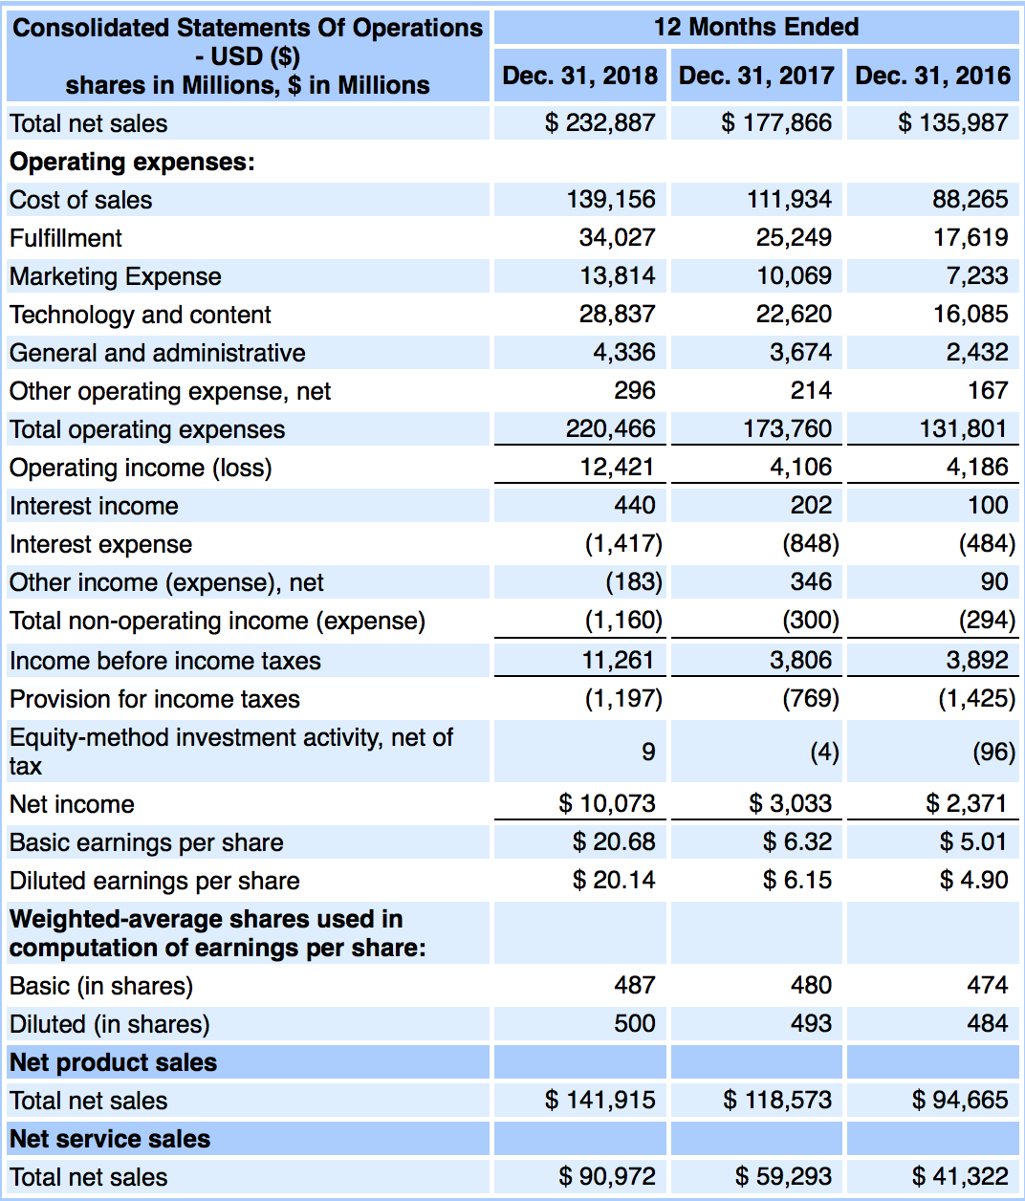

What is the name of the company in the 10K document below?
 | Boeing |  |  |  | Boeing | American Airlines | Whirlpool
Which item is the idiosyncratic item that provides the clue to the company's name?
 | Unbilled Receivables |  |  |  | Accrued Pension Plan Liability | Unbilled Receivables | Acquired Intangible Assets

 | 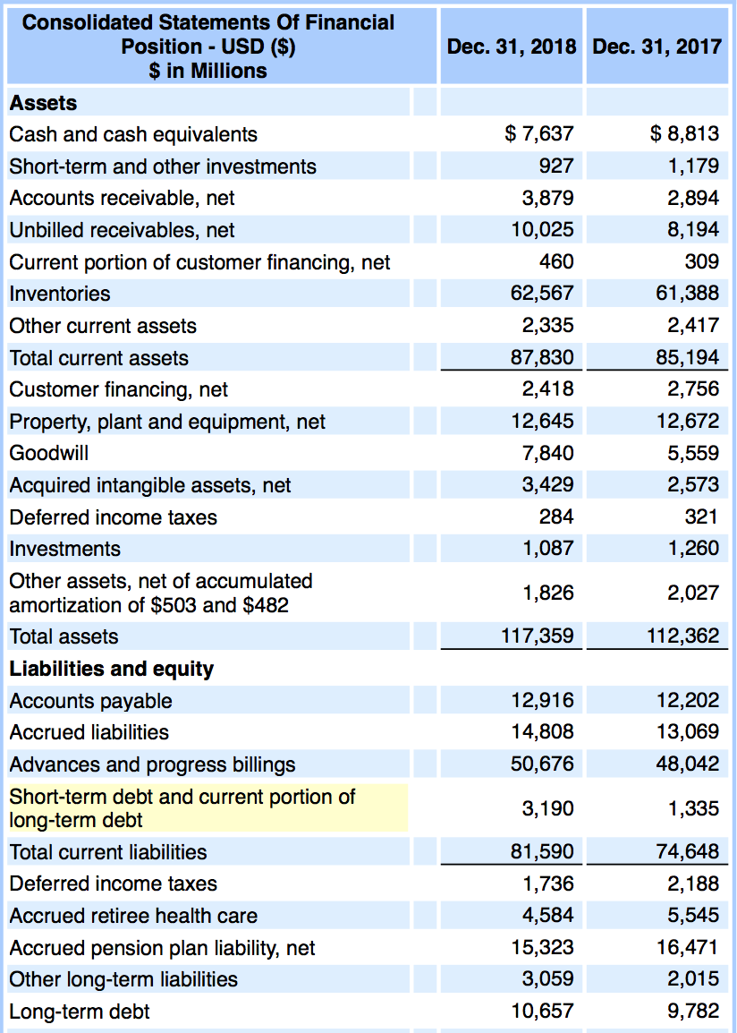

What is the name of the company in the 10K document below?
 | McDonald |  |  |  | Walmart | McDonald | CVS
Which item is the idiosyncratic item that provides the clue to the company's name?
 | All of the above |  |  |  | Revenues from franchised restaurants | Franchised restaurants-occupancy expenses | Food & paper | All of the above

 | 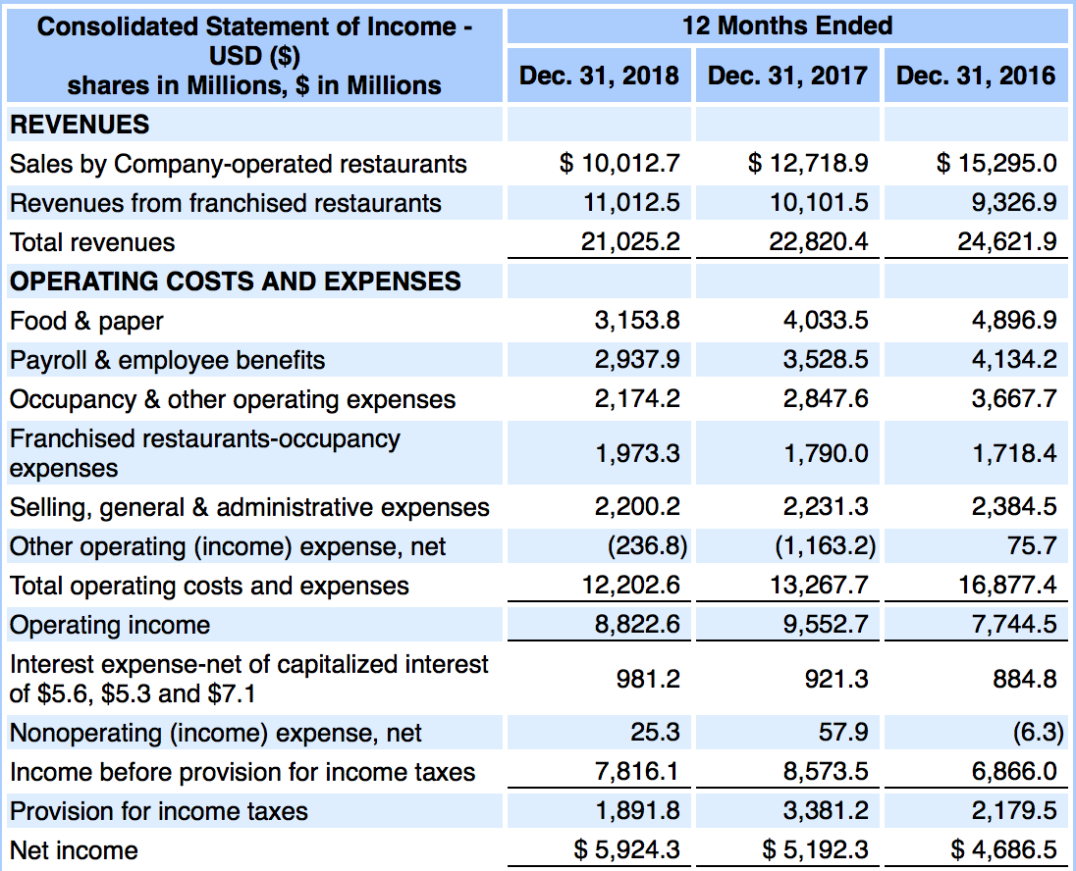

What is the name of the company in the 10K document below?
 | Disney
Which item is the idiosyncratic item that provides the clue to the company's name? |  |  |  |  | Amazon | Direct TV | Disney
 | All of the above
 |  |  |  |  | Parks, resorts and other property | Film and television costs | Television costs and advances | All of the above
 | 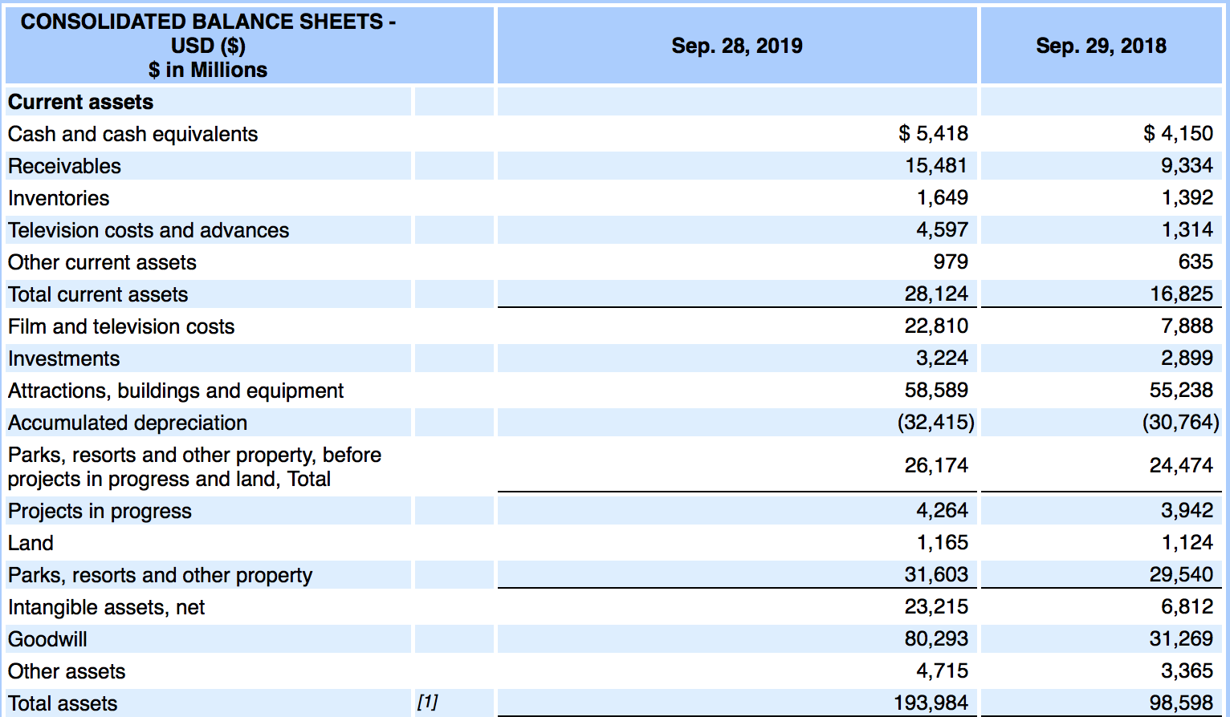

What is the name of the company in the 10K document below?
 | Exxon Mobile |  |  |  | General Motors | Tesla | Exxon Mobile
Which item is the idiosyncratic item that provides the clue to the company's name?
 | All of the above |  |  |  | Exploration expenses, including dry holes | Production and manufacturing expenses | Crude oil and product purchases | All of the above

 | 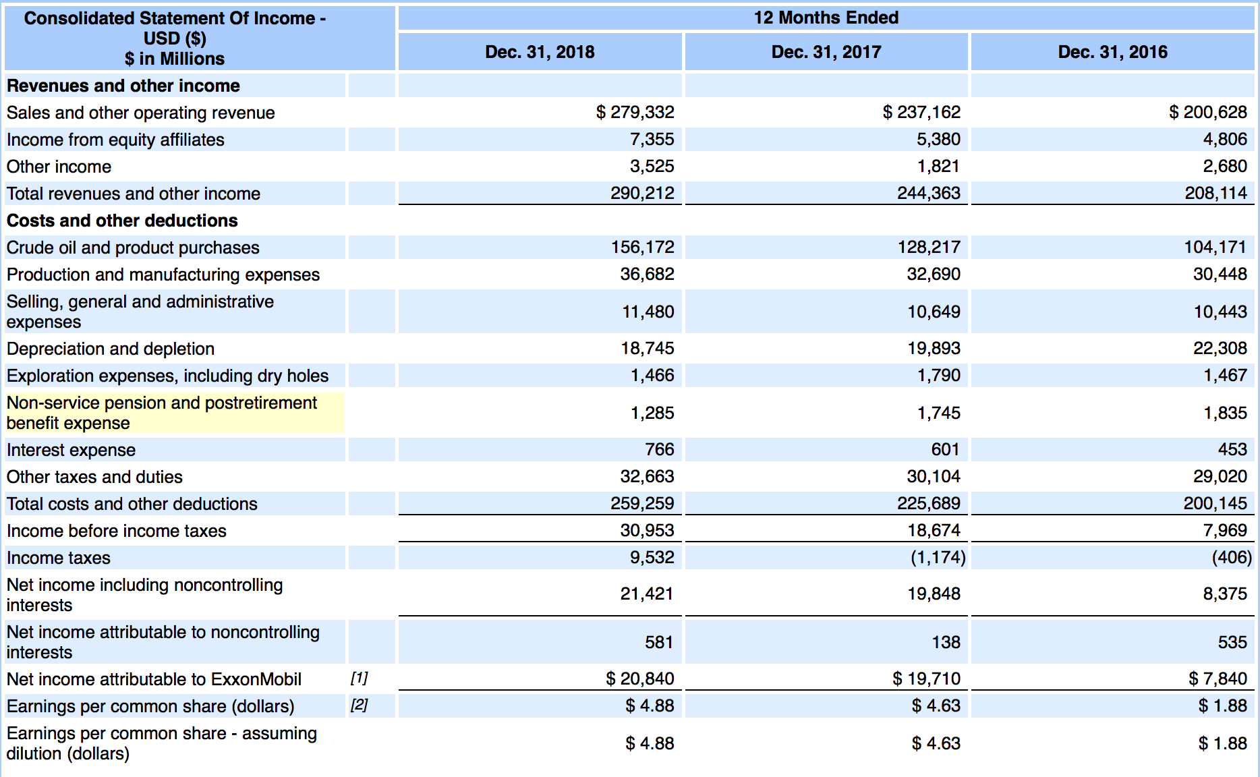

INTRO FSA
Strategic Financial Analysis & Modeling |  |  |  |  |  | © All rights reserved, 2019, Marianne Wolk & Richard Horwitz
Section: Financial Statement Analysis (FSA)
Workbook 3: Intro to Financial Statement Analysis
Sheet: INTRO FSA

SHEET ROADMAP
The Tutorial includes the material up to Row 247 and will not contribute to your grade.
The Homework starting in Row 249 is Required.

What is Financial Statement Analysis (FSA)?
All financial analysis is the process of examining financial information to facilitate decision-making and action.
Financial Statement Analysis (FSA) is the subset of Financial Analysis that involves analyzing a company's financial statements to support operational or investment decisions.
Financial analysts are financial detectives poring through financial statements to find clues to understanding the financial health of a company.
Legendary short seller Jim Chanos discusses the significance of bottoms up research relying on financial statements in the video below.
 | Jim Chanos - The Onion Analogy

 | EXHIBIT: FINANCIAL STATEMENT ANALYSIS IS A CORE — BUT NOT EXCLUSIVE — COMPONENT OF FINANCIAL ANALYSIS
Strategy
 | Source: Marianne Wolk & Richard Horwitz

Financial Statement Analysis (FSA) is the process of analyzing three specific sets of financial information:
- Income Statement (Workbook 4)
- Balance Sheet (Workbook 5)
- Cash Flow Statement (Workbook 6)

Financial Statement Analysis provides an understanding of historical financial performance and current financial status of a company.
Financial Statement Analysis searches for the meaning behind the figures and accounts.
Relying on the historic financial data in the three major financial statements, financial statement analysis includes:
- performing well-defined calculations and ratio analyses
- assessing the current financial position of a company
- identifying recent changes to the company's financial health
- comparing the financial metrics of one company to those of similar companies

Financial Statement Analyses Put Financial Data into Context
Historical financial Statements provide the raw data (expressed in dollars or other currencies) from which the Financial Analyst performs Financial Statement Analysis (FSA).
Financial Analysts transform this raw data into financial information that they use to perform their Financial Statement Analysis
For example, the knowledge that a company generated $100 million in Net Income is not particularly informative unless we know context —
prior year and/or average historical Net Income, the relationship to Revenues this year and in past years.
Most Financial Statement Analysis involves the calculation of ratios from the financial data imbedded in the three major financial statements.
There are several standard approaches analysts take.

Ratio Analysis
A ratio is a method of evaluating the relative size of two quantities.
In mathematics, a ratio indicates how many times one number contains another.
A ratio may be a growth rate, a calculation of metric that measures activity levels or a proportion.
A ratio may also be a calculation that measures productivity or efficiency.
For example, Return on Assets measures how many times Assets can be turned into Net Income.
More plainly, this is an efficiency measure demonstrating how much profit the company can squeeze from its Assets.
Refer to Balance Sheet (Workbook 5) .
There are three main types of ratios used by Financial Analysts.
GAAP Ratios
These are standard ratios often used in Liquidity, Solvency or Performance analyses explored in Accounting classes.
Typical examples include the Net Margin, Current Ratio, Debt-to-Equity Ratio and Return on Equity.
Common FSA Ratios
There are frequently used ratios by Financial Analysts performing Financial Statement Analysis.
Examples include: growth rates and CAGRs, Gross Margins. EBITDA Margins and Tax Rates.
Bestpoke FSA Ratios
As we indicated in the GAAP Sheet (Row 134), there is no single standard in nomenclature required for individual companies.
The names a company uses to describe its accounts may vary based on the nature of its business.
Financial Analysts may choose to use a 'bespoke' ratio based on the company-specific names or items in its financial statements.
An example might be an Amazon analyst examining Adjusted Gross Margin ex Shipping, which eliminates the shipping costs from the Cost of Sales.
Another example might be an Expedia analyst looking at Net Revenues/Bookings to examine the proportion of total travel bookings (travel purchases of air tickets or hotel rooms)
that translate into Net Revenues (the commissions generated from travel sales, which are its revenues after paying the airline for the air ticket or hotelier for the room).

Most FSA calculations and ratio analyses are conducted using the following data items:

 | EXHIBIT: MANY FINANCIAL STATEMENT ANALYSES USE A FEW KEY PIECES OF FINANCIAL DATA
 | Data Item | Financial Statement |  |  | Calculation & Ratio Examples
 | Revenues | Income Statement (Workbook 4) |  |  | Revenue Growth (sequential, year/year)
 | Depreciation and | Income Statement (Workbook 4) |  |  | Expense Ratios, Rates (Depreciation / PP&E)
 | Amortization | & Balance Sheet (Workbook 5)
 | Net Income (Profits) | Income Statement (Workbook 4) |  |  | Net Income Growth, Net Margin, Earnings per Share (EPS), EPS Growth
 | Equity | Balance Sheet (Workbook 5) |  |  | Capitalization (e.g., Equity/Capital), Performance (e.g., Return on Equity)
 | Debt | Balance Sheet (Workbook 5) |  |  | Solvency (e.g., Debt / Equity, Debt/Capital)
 | Assets | Balance Sheet (Workbook 5) |  |  | Performance (e.g., Return on Assets, Return on Equity, Capital Turnover Ratios
 | Current Assets and | Balance Sheet (Workbook 5) |  |  | Liquidity (e.g., Acid Test), Operating Cycle (e.g., DSO)
 | Current Liabilities
 | Free Cash Flow | Cash Flow Statement (Workbook 6) |  |  | Performance (e.g., Free Cash Flow, Free Cash Flow / EBITDA)
 | Source: Marianne Wolk & Richard Horwitz

Vertical or Common Size Analysis
Vertical analysis 'normalizes' a value relative to a basic measure of size. When analyzing a single company it may be called 'Common Size Analysis'.
The basic measure on the Income Statement is almost always Revenues.
In contrast, Vertical Analysis of the Balance Sheet may restate each items as a percentage of Assets, Capital or even Revenues.
Refer to Balance Sheet (Workbook 5).
Vertical analysis permits the analysis of the relative proportions of accounts in a single accounting period, in addition to facilitating comparisons across
companies and time periods, detailed in Comparable Analysis (Workbook 4).
For example, an analyst might examine the proportion of Current Assets to Total Assets.

Horizontal or Trend Analysis
Horizontal analysis evaluates metrics across time. When analyzing a single company it may be referred to as 'Trend Analysis'.
It enables evaluation of a dollar figure over a horizon of several years and always examines results relative to a base figure.

Financial Position
When analyzing a company, a financial analyst must look at ALL of its financial ratios to get an holistic picture of the company's financial status.
The composite of ratios collected about an individual company defines its financial position.
Focus on any single financial ratio (e.g., Return on Equity) can be misleading; it is this aggregate view of many ratios that provide a true picture of the financial condition of the business.

Importantly, the Financial Position derived from Financial Statement Analysis is a snapshot in time.
It describes the company's historic operating strategy and execution.
It describe the current financial condition of the company.
It does not predict the future.

The Financial Position of the company can provide insight into future results but it does not accurately predict future performance.
The SEC requires that all public statements about historic performance include the following warning: 'past results are no guarantee of future performance'.
This is because history generally does not exactly repeat.

Financial Analysts use 'Fundamental Analysis' to create meaningful and more accurate forecasts.
In later Workbooks, we introduce Fundamental Analysis, which takes a deeper dive into the factors that may influence future results.
Refer to Forecasting (Workbook 8) and Strategic Forecasting (Workbook 9) .

Financial Profiles are Derived from the Typical Economic Relationships Between Financial Ratios
There are economic relationships between financial ratios.
Financial Analysts should understand these economic relationships which describe a financial profile.
Typically, companies within a single industry share common economic relationships between ratios and have similar financial profiles.
For example, Internet advertising companies have high growth rates, high Gross Margins and invest significantly in R&D and SG&A.
A deeper dive into the Financial Profile finds significant operating expense investments to:
(a) differentiate their products, inhibiting price-based competition and establish barriers to entry raising Gross Margins; and
(b) expand customer acquisition, which yields network effects that drive barriers to entry and expand Gross Margins.
In another example, grocery stores require little (to negative) capital and have very low profit margins.
Grocery stores have 60 days to pay for goods, are paid in cash and enjoy extremely high inventory turns.
While a grocery store with very high margins would be great, competition generally keeps that from existing.
Competition (or its lack) generally creates economic relationships between financial ratios within an industry.
Financial Analysts are like financial detectives using clues hidden in financial statements to develop a deeper understanding of its financial position.
Understanding the economic relationship between metrics helps Financial Analysts identify the unexpected — the inconsistencies and anomalies
that do not fit with the norms of the financial profile of the company or its industry.
In the Financial Analysis section of this course we examine the range of financial profiles.
Later in the course, we look at the strategic causes of these financial profiles.

Comparables Analysis
An important approach to providing context is comparing companies to similar companies or comparables.
Such groupings of similar companies are called 'peer universes'.
Sectors and Industries designations are a standard basis to select Comparables.
The Global Industry Classification System (GICS), established by the financial community, defines 13 major Sectors with a subordinate classification of Industries.
The prior examples of internet advertising and grocery stores provided depicted similar financial behavior across companies in the same industry.
There are industries in which there are a lot of very similar companies: electric utilities, banks, insurance companies.

It is increasingly difficult to identify good comparable as the economy continues to move from fungible (undifferentiated) commodities, to substitutable manufactured products (e.g., automobiles), to highly differentiated services.
When comparison with direct competitors is not possible or less targeted, it is performed relative to other companies with similar Financial Profiles.
For example, when Google went public it was compared with a peer group including Yahoo! and eBay (high growth companies with Internet business models)
rather than legacy advertising behemoths such as WPP or Publicis, which had very different growth rates and financial models.
It was easier to create a comparable for Door Dash because Uber was already publicly traded with available financial filings, but when Uber filed for its IPO comps were challenging.

With an understanding of financial profiles you are better positioned to identify inconsistencies, factors that do not fit with the expected story for companies with similar profiles.
For example, it would be surprising to see a company in this industry with 30% growth rates, 80% Gross Margins, no R&D and only 5% SG&A percentage of revenue.
Years ago, as a Booking.com (Priceline) analyst, it was surprising to see its competitors spend significantly in R&D where it did not; Priceline had acquired Booking.com which relied
on a more modern technology platform which required less investment.
As we indicated earlier, it is important to look at the whole of a company's financial ratios.

Comparables analysis across companies with similar financial profiles also requires choosing the right ratios for the peer group comparison.
The choice of ratios simplifies comparisons and enables the analyst to contrast "apples with apples".
In mathematics, this is also referred to as normalization of the data.
In our hypothesis of Disruptive Digitization, we are using Financial Statement Analysis to evaluate the financial performance of
two distinct groups of companies, NewCos and OldCos, in the S&P 500.
In this analysis, we create ratios of financial figures relative to revenues to improve comparability.

The 'DATA ANALYSIS Common Sizing' Sheet in this Workbook presents how to create comparability across companies.
In Forecasting (Workbook 8) the analytical process of developing 'comparables' is presented.

 | EXHIBIT: COMMON ACCOUNTING APPROACHES TO FINANCIAL STATEMENT ANALYSIS
 | 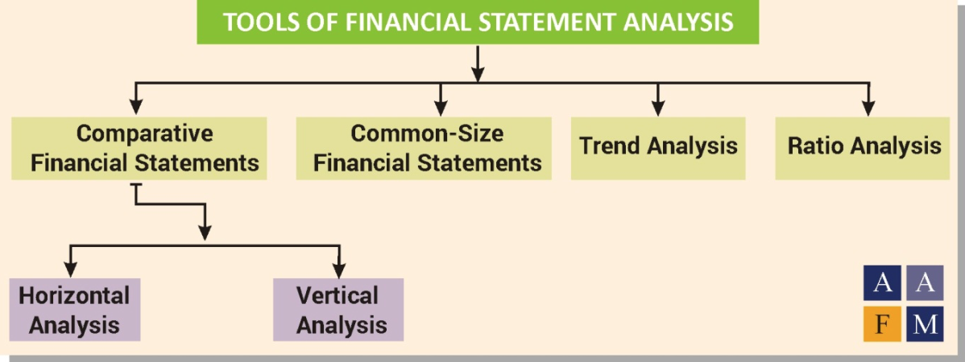
 | https://www.aafmindia.co.in/financial-statement-analysis-tools-limitation-uses-process
 | Source: The American Academy of Financial Management

Each Distinct Stakeholder Uses Varying Elements of Financial Statement Analysis
There are numerous users of Financial Statement Analysis each with their own purpose or goal.
External stakeholders use Financial Statement Analysis to better understand the financial health, financial performance, value of a business and/or risk.
These include investors, creditors, regulators and other government entities and competitors.
Internal constituents use it as a tool for managing the finances of the business or corporation.
These include executive management, treasury, investor relations and mid-level or functional management.
We explored a detailed list of constituents in the introductory workbook.
Although there are clearly standard techniques of Financial Statement Analysis, Financial Analysts actually have a lot of leeway as to which ratios they use and how they define them.
Even among analysts with the same job definition (and presumably the same purpose for the analysis), it is possible to find differing preferences as to:
- the financial data items they wish to examine
- the ratio they choose; or
- how they calculate the ratio.
Even among standard accounting tools such as the Return on Equity (ROE), there are differences.
Some analysts may simply look at Equity for the period ending December 2022 relative to current Net Income earned during 2022.
Others may choose to look at the average Equity for the period ending December 2021 and December 2022
relative to the Net Income earned during the course of 2022 from January to December.
While there is no right or wrong choice, it is essential the same approach be used by all the employees of a single organization (and across all the companies
compared and analyzed) to assure appropriate comparisons are made.

Limitations and Challenges of Financial Statement Analysis
The use of accounting ratios to evaluate a company's financial health present some challenges to Financial Analysts.
1. These measures are essentially backward looking snapshots of past financial performance.
Historic results are not necessarily an indicator of future performance.
2. These measures may be deemed a 'Rubber Ruler'.
These ratios are a snapshot of a single year's 'return' (typically Net Income or Net Operating Profit After Tax), where we prefer to consider a longer term view of performance.
Company profitability can vary significantly from year to year.
For example, we will explore how economic cycles can increase earnings variability in Forecasting Disruptions (Workbook 10).
Like a rubber band, a 'Rubber Ruler' produces excessively variable results rendered nearly meaningless unless evaluated over many periods.
'Rubber Ruler' is part of the vernacular of the analytical industry.

Introducing our Strategic Financial Analysis Model (SFAM)

We created a proprietary Excel-based financial model to represent the financials of publicly traded companies with SEC filings.
SFAM automatically loads historical company financials from SEC filings into a convenient, easy to use Excel model,
eliminating the arduous task of data entry most financial analysts are required to do before they can perform Financial Statement Analysis.
The model automatically populates the data for the companies in the S&P 500 (ex financials), approximately 400 companies.
SFAM enables students to quickly flip back and forth between the publicly traded S&P 500 (ex financials).
The model relies on our pre-selected choices for accounts — regardless of company — which makes the comparability required by financial statement analysis possible.
Financial Analysts create specific models that to reflect the nature or function of a business (i.e., fulfillment costs on Amazon's Income Statement).
A financial analyst often creates one form of model for one company and another type of model for another.
Thus, rationalizing the financial accounts from the customized financial statements to perform financial statement analysis can be complicated and time consuming.
At any time, students can dive into the logic underlying this model because all of the formulas have been left exposed.
This enables students to look at the calculations of the ratios explored in this Workbook and the connections between accounts.
These exposed formulas will become more interesting as students begin the sections on Modeling and Forecasting.
Throughout the next several Workbooks, we use the Strategic Financial Analysis Model (SFAM) we designed to bring together company financial statements
and all of the commonly used financial ratios Financial Analysts rely on to determine the Financial Position of a company.
Our aim is to make you familiar with the financial ratios that provide a set of clues that tell a story about the company.

The following table provides information on four different automobiles:

 | EXHIBIT: KEY METRICS OF SELECTED AUTOMOBILES
 |  | Length | Cargo Space ft3 | Top Speed | 0-60 seconds | MPG | MSRP
 | Lamborghini Veneno | 189 | 0 | 221 | 2.8 | 17 | $4,500,000
 | Ford F-150 | 209 | 60 | 130 | 5.9 | 18 | $29,290
 | Tesla Model 3 | 184 | 15 | 162 | 3.1 | 133 | $39,990
 | Toyota Corolla | 182 | 13 | 118 | 8.8 | 40 | $20,075

Which automobile would you select if you need to carry a lot of material?
 | Ford F-150 |  |  |  |  |  |  |  |  |  |  |  | Ford F-150

Which automobile would you select if you wanted to be environmentally sound?
 | Tesla Model 3 |  |  |  |  |  |  |  |  |  |  |  | Tesla Model 3

Which automobile would you select if you wanted to race?
 | Lamborghini Veneno |  |  |  |  |  |  |  |  |  |  |  | Lamborghini Veneno

Which automobile would you select if you could get it for free?
 | Lamborghini Veneno |  |  |  |  |  |  |  |  |  |  |  | Lamborghini Veneno

Would you select the same car if you had to pay the manufacturers suggested retail price (MSRP)
 | No |  |  |  |  |  |  |  | Yes | No |  |  | No

Lessons Learned:
Individual metrics or ratios can lead the analyst in one direction or another; you cannot analyze any single one in isolation.
That is why we analyze the complete financial position of a company in FSA.

Comparables analysis works best for companies with similar financial profiles.
By analogy, one compares similar cars when making purchasing decisions.
It is common to compare a Toyota Camary to a Honda Accord or to a Ford Malibu.
It is common to compare a Ford F-150 to a Chevy Silverado or to a Toyota Tacoma.
It is illogical to compare a Lamborghini with a Ford F-150 truck.

Required Homework Questions
 |  |  |  |  |  |  |  |  |  |  | TRUE | FALSE
TRUE | The economic relationships between financial ratios describe a financial profile. |  |  |  |  |  |  | TRUE | FALSE |  | A ratio is a method of evaluating the relative size of two quantities. | A ratio is an absolute measure independent of size.
TRUE | When industry comparables are unavailable, financial analysts may use comparables with a similar financial profile. |  |  |  |  |  |  |  |  |  | The composite of ratios collected about an individual company defines its financial position. | A financial position compares the financial ratios of two companies.
FALSE | Comparable Analysis of a company compares one ratio for the company to others. |  |  |  |  |  |  |  |  |  | The economic relationships between financial ratios describe a financial profile. | Financial ratios are always independent with no economic relationship.
TRUE | A ratio is a method of evaluating the relative size of two quantities. |  |  |  |  |  |  |  |  |  | Comparables Analysis is an approach to providing context by comparisons wth a peer group of companies. | Comparable Analysis of a company compares one ratio for the company to others.
FALSE | A financial position compares the financial ratios of two companies. |  |  |  |  |  |  |  |  |  | When industry comparables are unavailable, financial analysts may use comparables with a similar financial profile. | Comparables Analysis is always based on peer group from the same industry.

EXCEL Formulas
Strategic Financial Analysis & Modeling |  |  |  |  |  |  | © All rights reserved, 2019, Marianne Wolk & Richard Horwitz
Section: Financial Statement Analysis (FSA)
Workbook 3: Intro to Financial Statement Analysis
Sheet: EXCEL Formulas

SHEET ROADMAP
This Sheet describes how formulas are created in Excel, a fundamental component of learning Excel.
The material through Row 128 is a Tutorial that will not contribute to your grade.
The Homework starting in Row 186 is Required.
The Homework starting in Row 206 is Challenge.

Creating Formulas
A formula is a mathematical expression which defines how the value of the cell should be calculated.
In the previous Workbook, we discussed that cells contain the values directly entered.
The cell in which a formula is entered retains both the formula and its resulting value.
The cell containing the value from a formula can be formatted similarly to a directly entered value (Workbook 1).
Clicking on a cell containing result of a formula will display the formula in the formula bar located above the workspace.

All formulas begin with an equal sign (=), a plus sign (+), or a minus sign (-).
The simplest formula sets the value of a cell equal to the value of another cell.
Click on the box immediately below, B24, to see '=G24' in the Formula Bar above.
 | 3 |  |  |  |  | 3 |  |  | 1 | 2 | 2
Notice how you have selected the value 3 from the grey cell G24 by using a formula beginning with an equal sign.
Now, why don't you try. Enter into the yellow cell immediately below a formula that sets its value equal to the value of the grey cell to its right in column G. |  |  |  |  |  |  |  |  | 1
 | 5 |  |  |  |  | 5 |  |  | 1 | 2
Rather than entering a cell address in a formula, a quick way of referencing a cell is just to click on the cell.
In the yellow cell immediately below enter ''=' and then click on the grey cell below to the right.
 | 12 |  |  |  |  | 12 |  |  | 1 | 2 | 2
You will most often create formulas by clicking on the cells on which you want to perform the calculation rather than manually addressing the cells.
Most formulas are more complex.
Click in the box immediately below to see '=G34+H34' in the Formula Bar above.
 | 7 |  |  |  |  | 3 | 4 |  | 1 | 2 | 2 |  | 7
 | 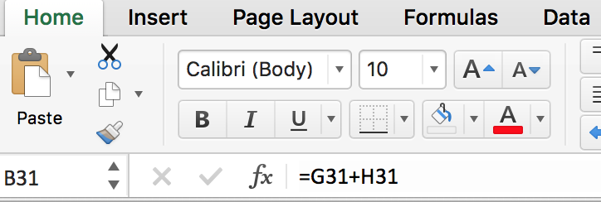
The equal sign at the beginning of '=G34+H34' tells Excel to put the results of the formula in the cell in which the formula is entered.
You will see in the next Workbook ('Excel - Functions') that the same formula without the equal sign ('G34+H34') will permit the result to be used as an input to a Function.
Write a formula in the yellow cell immediately below that adds the three values in the grey cells below and to the right.
 | 13 |  |  |  |  | 2 | 5 |  | 1 | 2 | 2 |  | 1
 |  |  |  |  |  | 6 |  |  |  | 10
Write a formula in the yellow cell immediately below that subtracts the value in the dark grey cell from the value in the light grey cell.
 | 3 |  |  |  |  | 8 | 5 |  | 1 | 2 | 2 |  | 1
In Excel we use the '*' for multiplication. It is selected by shifting and selecting the number '8'.
Write a formula in the yellow cell immediately below that multiplies the value in the light grey cell from the value in the dark grey cell.
 | 12 |  |  |  |  | 4 | 3 |  | 1 | 6 | 6 |  | 1
In Excel we use the '/' for division. On some keyboards, it is located below the question mark.
Write a formula in the yellow cell immediately below that divides the value in the light grey cell by the value in the dark grey cell.
 | 4 |  |  |  |  | 12 | 3 |  | 1 | 6 | 2 |  | 1
In Excel we use the ' ^' for exponentiation or raising to a power. You will find this symbol by using the shift key with the number 6.
Write a formula in the yellow cell immediately below that raises the value in the light grey cell to the power of the value in the dark grey cell.
 | 16 |  |  |  |  | 4 | 2 |  | 1 | 6 | 6 |  | 1
Exponentiation is used in finance because returns compound exponentially (discussed in the next Sheet).
Formulas work for both date and time values.
The formula '=G55+7' in the box immediately below adds a week to the value of the grey cell below and to the right.
 | 2019-01-08 |  |  |  |  | 2019-01-01
Excel supports the use of parentheses to sequence calculations other than the typical mathematical hierarchy:
 | Powers and exponents highest
 | Multiplication and division next highest
 | Addition and subtraction lowest
For example, the formula '=(G61+H61)/I61' in the box immediately below first performs the addition and then the division.
 | 9 |  |  |  |  | 13 | 5 | 2
Write a formula in the yellow cell immediately below that multiplies the sum of H63 plus I63 by the value of G63.
 | 60 |  |  |  |  | 5 | 9 | 3 | 1 | 12 | 3 | 7 | 1
Cells in which values were calculated based on a formula can be formatted as presented in 'Entering and Formatting Values' in the previous Workbook.
If you want to use text in a formula it needs to be surrounded by quotation marks.
The formula '="Yes"' in the box immediately below sets the cell to text string 'Yes' (look at the ribbon above to see the actual formula in the cell).
 | Yes

Copying/Cutting Formulas
In Part I Review (Workbook 1) you learned how to copy and paste a value.
This was simple because a value does not involve addressing between cells.
You can also copy or cut a cell containing a formula, which moves it from one cell to another cell.
The difference between copying and cutting is the logic of how Excel handles linkages to other cells addressed in a formula and in other cells' addressing of the cell in which the formula resides.
Each cell with a formula (versus a value) has precedents (other cells based on which the selected cell are based) and dependents (cells whose formula are based on the selected cell)
In the unshaded box on the next row, G76 is the precedent of B76, which contains the formula '=G76'.
 | 5 |  |  |  |  | 5 | 5
In the unshaded box on the previous row, B76 is the dependent of H76, which contains the formula '=B76'.
When a cell with a formula is 'cut' the addresses related to the cell moves to the new cell into which the cut cell is pasted.
Both the precedent and dependent relationships are moved.
Cut the unshaded cell B81
 | 5 |  |  |  |  | 5 | 5
Hint: As with copying a cell containing a value there are multiple ways to complete the paste (scissor icon on 'Home' tab, Ctl X on keyboard, mouse).
Paste it into cell B84 highlighted in yellow.
 | 5
Hint: As with pasting a cell containing a value there are multiple ways to complete the paste ('Home' tab, Ctl V on keyboard, mouse)
The formula you cut and pasted into B84 still references G81.
The formula in H81 now referenes B84 rather than B81.
Note that pasting not only moved the formula but it also moved the formatting. You will shortly learn how to select to move the value, format, formula or combinations of these.

When a formula is copied the addressing of the copied cells are update to be 'relative'.
'Relative addressing' means that the addresses precedent cells referenced in a formula will be copied to reference cells similarly positioned to the cell being copied.
The following example will demonstrate this.
Copy the formula in cell B94 and paste it into cell B95.
 | 5 |  |  |  |  | 5 | 5
 | 2 |  |  |  |  | 2 | 2
Hint: there are multiple ways to complete the copy (copy icon on 'Home' tab, Ctl C on keyboard, mouse).
Notice how copying the formula down one row automatically increments the reference to G94 to G95 in the formula.
While copying the cell modified the selection of the precedent cells, it did not impact H94 which is dependent on the copied cell.
Unlike when you cut and pasted B81 above and the precedent address in H81 changed to B84, copying and pasting B94, did not change the precedent address in H94.

Write a formula in E104 that calculates 'Net Margin' by dividing 'Net Profit' by 'Revenues'.
Copy the formula in E104 down to the yellow cells E105 and E106. The formulas of the copied formula will be those displayed in the grey box.
 | Company | Revenues | Net Profit | Net Margin |  | Net Margin Formula
 | Delta | 100 | 5 | 5.0% |  | =D104/C104 |  |  | 1 | 7 | 2 | 6 | 1
 | American | 300 | 12 | 4.0% |  | =D105/C105 |  |  | 1 | 7 | 2 | 6 | 1
 | United | 50 | 4 | 8.0% |  | =D106/C106 |  |  | 1 | 7 | 2 | 6 | 1
The copied formulas in the 'Net Margin' column should be the same as those shown in the 'Net Margin Formula' column.
You can see that copying down the formula in E104 resulted in the formula being update to work in the following rows.
This is called 'Relative addressing' because the cells addressed are updated to address the same relative cells (number of cells across or down) as the cell being copied.

Excel permits you to insert '$' before either the Column Letter or Row Number, or both, to avoid this automatic updating of addressing when copied and pasted.
'Absolute addressing' means that the addresses of precedent cells referenced do not change when the cell is copied.
In B115 enter a formula '=G$115'
Copy the formula in B115 to both C115 and B116. |  |  |  |  |  |  |  |  | 1 | 2 | 3 | 4 | 1
 | 1.0 | 2.0 |  |  |  | 1 | 2 |  | 1 | 2 | 3 | 4 | 1
 | 1 |  |  |  |  | 3 | 4 |  | 1 | 2 | 3 | 4 | 1
Notice that copying '=G$115' in B115 to C115 resulted in the formula changing to '=H$115' and the resulting value changed to 2.
Notice that copying '=G$115' in B115 to B116 resulted in the formula remaining '=G$115' and the resulting value remaining 1.
This is because the '$' before the row number 115 froze the row number.
Similarly, if the formula in B115 had been '=$G115', the formula would be unchanged when copied to C115.
You can choose to freeze either or both the row and column making that part of the cell address absolute.
The part of the cell address that is not frozen (does not have a $), will change when the cell address is copied (i.e., relative addressing is maintained).
The table below presents alternatives to the formula '=G115' depending on how you wish the cell address to change when it is copied.
 | Formula | Description |  |  |  | Result
 | G115 | Relative Row and Column Addresses |  |  |  | no rows or columns held constant
 | =$G115 | Absolute Column Address, Relative Row Address |  |  |  | holds the column address constant
 | =G$115 | Absolute Row Address, Relative Column Address |  |  |  | holds the row address constant
 | =$G$115 | Absolute Row and Column Addresses |  |  |  | holds the row and column address constant
If you select a cell address within a formula in the formula bar selecting the F4 function key (simultaneously selecting 'fn' on a Mac) will add a remove '$' from the row and column component of the address.
Click on the cell in the next row, highlight the G131 in the formula bar and select F4 four times and watch how the formula changes in the formula bar.
 | 4 |  |  |  |  | 4
Write a formula to calculate each airline's market share in D134 and copy it down. Hint: You need to use a '$'.
 | Company | Revenues | Market Share
 | Delta | $250 | 50% |  |  |  |  |  | 1 | 3 | 7 | 9 | 1
 | American | $200 | 40% |  |  |  |  |  | 1 | 3 | 7 | 9 | 1
 | United | $50 | 10% |  |  |  |  |  | 1 | 3 | 7 | 9 | 1
 | Total | $500

Pasting Formulas
Excel provides a great deal of flexibility on how a paste is done after a copy/cut.
The dropdown in the upper left corner of toolbar (circled in blue below) will expose a broad selection of paste options.
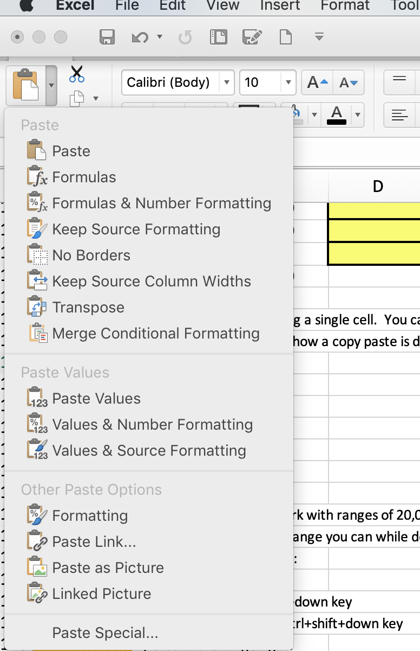

 |  |  |  |  | Paste | Paste the contents of the cell (formula and value) and the format of the cell
 |  |  |  |  | Formulas | Paste the contents of the cell (formula and value) only

 |  |  |  |  | Paste Values | Paste the value of the cell but not the formula or format of the cell

 |  |  |  |  | Formatting | Paste the format of the cell but not the formula or value of the cell

The key options are explained in column G.

So far we have focused on copying/cutting and pasting a single cell.
You can also copy/cut and paste a range of cells
This is done by selecting the range of cells, cutting or copying the entire selection, and pasting the range where you want.
If you select a single cell Excel will paste the range into a range in which the selected paste cell is the upper left corner of the range.
If doing so will overwrite cells which contain either values or formula, Excel will verify that you intended to do so.
If you select a range into which to paste the shape of the range must be exactly the same as that of the range that was copies or cut
When ranges are large (you will work with ranges of 20,000+ rows later in the course) selecting the range with the cursor can be mechanically difficult.
If you click on the upper leftmost cell of a range you can while depressing the shift key:
Automatically extend the range down:
On a Mac select command+shift+down key
On a Windows machine select cntrl+shift+down key
Automatically extend the range right:
On a Mac select command+shift+right key
On a Windows machine select cntrl+shift+right key
Excel will repeat copied cells when logical:
If you copy a single cell and paste it into a range, Excel will replicate that cell throughout the range.
If you copy a vertical range (a series of cells in the same column) and paste it into a horizontal range (a series of cells in the same row) the copies cells will be repeated.
If you copy a horizontal range (a series of cells in the same row) and paste it into a horizontal range (a series of cells in the same column) the copies cells will be repeated.

Below is Required Homework

Formulas
Subtract cell G190 from cell F190
 | 28 |  |  |  | 35 | 7

Divide cell F194 by G194
Format the result as a percent with one decimal place
 | 0.2 |  |  |  | 7 | 35

Calculate the product of the two light grey cells divided by the sum of the two dark grey cells
 | 1.25 |  |  |  | 10 | 2
 |  |  |  |  | 12 | 4

Write a formula in B203 that sets the cell equal to the value in F203
Use '$' in the address in B203 such that when the cell is copied down the value in B204 will be 9 and when it is copied to the right C203 will be 5
 | 5 | 5 |  |  | 5
 | 9 |  |  |  | 9

Below is Challenge Homework

Copying/Cutting
The following exercise is intended to challenge your understanding of how Excel addressing (relative and absolute) works when 'Cut' or 'Copied'.
In the following exercise you will calculate what Excel would calculate for each of the following scenarios.
 |  |  |  |  | $1.00 | $2.00
 |  |  |  |  | $4.00 | $5.00
We have intentionally protected the above cells so that you will have to independently think through Excel's logic rather than use it.

The objective is to make sure you understand how Excel updates addressing using different functions (cut, paste, copy) and the impact of “$” on these.
You need to replicate the logic that Excel would apply.
Let’s look at row 226
You first need figure out what the result of entering '=F211' (shown in B226) into B211 and then doing what is defined in each column across row 225.
First, as defined in C225, cut and paste what is in in B211 in B211.
Type the value that would result in B211 from doing this.
Then move across row 226 and do the same for D226, E226, etc.
When you have completed this in row 226 you go to row 231, etc.

If you were to enter '=F211' into the white cell above (B211) what would the result be of cutting or copying the cell as defined in column C through G of row 225?
 |  | Cut and Paste in B212 | Cut and Paste in C211 | Copy and Paste in B212 | Copy and Paste in C211 | Copy and Paste in C212
 | =F211 | $1.00 | $1.00 | $4.00 | $2.00 | $5.00

If you were to enter '=$F211' into the white cell above (B211) what would the result be of cutting or copying the cell as defined in column C through G of row 230?

 |  | Cut and Paste in B212 | Cut and Paste in C211 | Copy and Paste in B212 | Copy and Paste in C211 | Copy and Paste in C212
 | =$F211 | $1.00 | $1.00 | $4.00 | $1.00 | $4.00

If you were to enter '=F$211' into the white cell above (B211) what would the result be of cutting or copying the cell as defined in column C through G of row 235?

 |  | Cut and Paste in B212 | Cut and Paste in C211 | Copy and Paste in B212 | Copy and Paste in C211 | Copy and Paste in C212
 | =F$211 | $1.00 | $1.00 | $1.00 | $2.00 | $2.00

If you were to enter '=$F$211' into the white cell above (B211) what would the result be of cutting or copying the cell as defined in column C through G of row 240?

 |  | Cut and Paste in B212 | Cut and Paste in C211 | Copy and Paste in B212 | Copy and Paste in C211 | Copy and Paste in C212
 | =$F$211 | $1.00 | $1.00 | $1.00 | $1.00 | $1.00

A Financial Statement Example of Formulas
Below is data from an Income Statement.
We have highlighted cells for you to calculate totals, ratios, and growth rates using the formulas and definitions you have been taught.
Format the results as specified.

 |  |  |  | 2021 | 2022 |  | Format
 | Revenues |  |  | 10,251 | 10,529
 | Year Over Year Revenues Growth |  |  |  | 2.7% |  | Percent one decimal point
 | Cost of Revenues |  |  | 7,325 | 7,563
 | Gross Profit (Revenues - Cost of Revenues) |  |  | 2,926 | 2,967 |  | Comma after thousands, no decimal point
 | Gross Margin (Gross Profit / Revenues) |  |  | 29% | 28% |  | Percent no decimal points
Remember to force the calculation for the reformatting to change incorrect cells to red.

Hints:
Year over Year Revenue Growth is calculated as 'Revenues Current Year/Revenues Prior Year - 1'.
Gross Profit is calculated as Revenues minus Cost of Revenues.
Gross Margin is calculated as Gross Profit divided by Revenues.

Addressing Cells in Other Sheets
In all of the examples up to this point, we have addressed cells on the same Sheet in which we are entering the formula.
Excel permits you to address cells in other Sheets.
Excel supports this by including the name of the other Sheet followed by '!' as part of the address.
The formula '='ENTER Release Code'!A1' in the box immediately below results in the cell being set to the value of cell A1 on the 'Enter Release Code' Sheet.
 | Strategic Financial Analysis & Modeling
Create a formula in the green cell immediately below to cell A4 of the 'ENTER SFAM ID' Sheet.
Hint: the easiest way is to simply enter '=' and then click on the cell on that Sheet.
 | Sheet: ENTER SFAM ID
It also supports addressing cells located in other Workbooks.
The formula is ='[Workbook Name]Sheet Name!'cell address.
You can find additional information on Formulas by clicking on the following link.
Additional Information on Formulas

